data
x_axis | y_axis
2005 | 0.028795811518
2006 | 0.031413612565
2007 | 0.034031413613
2008 | 0.039267015707
2009 | 0.041884816754
2010 | 0.047120418848
2011 | 0.049738219895
2012 | 0.052356020942
2013 | 0.057591623037
2014 | 0.062827225131
2015 | 0.065445026178
2016 | 0.070680628272
2017 | 0.075916230367
2018 | 0.078534031414
2019 | 0.083769633508
2020 | 0.089005235602
2021 | 0.094240837696
2022 | 0.099476439791
2023 | 0.10471204188
2024 | 0.10994764398
2025 | 0.11256544503
2026 | 0.11780104712
2027 | 0.12303664921
2028 | 0.13089005236
2029 | 0.1335078534
2030 | 0.14136125654
2031 | 0.14397905759
2032 | 0.14921465969
2033 | 0.15706806283
2034 | 0.16230366492
2035 | 0.16753926702
2036 | 0.17539267016
2037 | 0.18062827225
2038 | 0.18586387435
2039 | 0.19371727749
2040 | 0.19633507853
2041 | 0.20418848168
2042 | 0.21204188482
2043 | 0.21727748691
2044 | 0.22251308901
2045 | 0.23298429319
2046 | 0.23821989529
2047 | 0.24607329843
2048 | 0.25392670157
2049 | 0.26178010471
2050 | 0.26701570681
2051 | 0.27486910995
2052 | 0.28272251309
2053 | 0.29057591623
2054 | 0.29842931937
2055 | 0.30366492147
2056 | 0.31413612565
2057 | 0.32460732984
2058 | 0.32984293194
2059 | 0.34031413613
2060 | 0.34554973822
2061 | 0.35602094241
2062 | 0.3664921466
2063 | 0.37172774869
2064 | 0.38481675393
2065 | 0.39267015707
2066 | 0.40052356021
2067 | 0.4109947644
2068 | 0.42146596859
2069 | 0.42931937173
2070 | 0.43979057592
2071 | 0.4502617801
2072 | 0.45811518325
2073 | 0.46858638743
2074 | 0.47905759162
2075 | 0.48691099476
2076 | 0.49738219895
2077 | 0.50785340314
2078 | 0.51832460733
2079 | 0.52879581152
2080 | 0.53664921466
2081 | 0.54712041885
2082 | 0.56020942408
2083 | 0.56806282723
2084 | 0.58115183246
2085 | 0.5942408377
2086 | 0.60209424084
2087 | 0.61518324607
2088 | 0.62565445026
2089 | 0.6335078534
2090 | 0.64921465969
2091 | 0.65968586387
2092 | 0.67015706806
2093 | 0.6832460733
2094 | 0.69633507853
2095 | 0.70680628272
2096 | 0.71989528796
2097 | 0.73298429319
2098 | 0.74083769634

picture
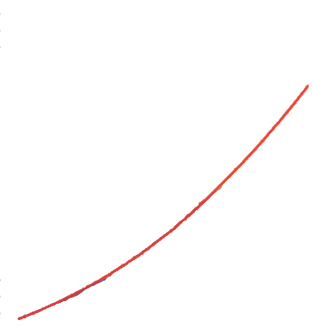

picture_original
